EXAMPLE A3
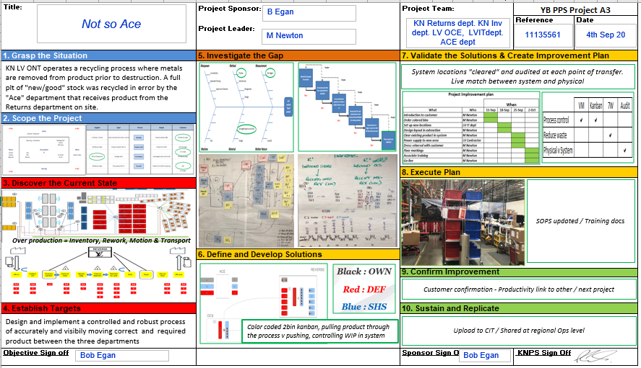

A3
Ship by Group, not by House
MIlton Beckley
Title: | Project Sponsor: | Project Team: | Production System Project A3
 |  |  | Reference | Date
 | Project Leader:

1. Grasp the Situation | 5. Investigate the Gap | 7. Validate the Solutions & Create Improvement Plan
Define issue with a problem statement. Problem statement should have Who, what, where, when, and how many/impact. Helpful tools are Is and Is not templates. | Root Cause Analysis, understand why the problem exists and what is the root causes of the issue. Helpful tools are Cause and Effect(Fishbone diagram), and 5 whys. It is important to validate the root cause to be true by using the "therefore" method walking backwards through the 5 why. | Create an implementation plan to execute the actions and meet or exceed the established targets. Helpful tools are gantt charts, PFMEA, Control Plan.

2. Scope the Project
CA Premier Solar Sun Made Solar Quote HSE Life Time Power

 |  | 8. Execute Plan
3. Discover the Current State |  | Each owner will complete their actions
$2.20 outbound order fee, $17.45 outbound packing fee, and $3.36 outbound qc fee. Also reduce shipping costs from higher shipment density. There are a max of 15 orders per truck, consolidating to fewer orders means fewer truck loads. Also each picks become cases or pallets to reduce pick costs. If product is being shipped to another warehouse and if they then restack product, then there is also waste from them restacking it.

 | 6. Define and Develop Solutions | 9. Confirm Improvement
 | Improve: develop Solutions and proiritize potential solution Ease vs impact. Helpful tool is prioritization matrix | Remeasure against the established metrics to confirm project was successful.

4. Establish Targets |  | 10. Sustain and Replicate
Review measurements and Quantify objectives for project |  | Audit the improvements periodically to ensure sustainment, share with team results. Celebrate.

Objective Sign off |  | Sponsor Sign Off | KNPS Sign Off

Process Map
Start
Step 1
Step 2
Step 3
Step 4
Step 5
Step 6
Step 7
Step 8
Finish

7 Wastes
W
W
W
W
 | 7 Wastes
 | Waiting
 | Over production
 | Rework
W
W
W
R
 | Motion
 | Processing (over)
 | Inventory
 | Transportation
R
R
R
R
R

R
M
M
M
M

M
M
M
M
P

P
P
T
I
T

T
T
T
T
T

Drag the pink post-it notes under each step of the process to denote which wastes are present

Data Blank
 |  | Enter time in round seconds per step
Process Time (seconds)
 | Time | Avg
 | 0 | 0
 | 0 | 0
 | 0 | 0
 | 0 | 0
 | 0 | 0
 | 0 | 0
 | 0 | 0
 | 0 | 0
 | 0 | 0
 | 0 | 0
No# | Activity | 1 | 2 | 3 | 4 | 5 | 6 | 7 | 8 | 9 | 10 | Avg |  | Time | Avg
1 |  |  |  |  |  |  |  |  |  |  |  | 0 | 1 | 0 | 0
2 |  |  |  |  |  |  |  |  |  |  |  | 0 | 2 | 0 | 0
3 |  |  |  |  |  |  |  |  |  |  |  | 0 | 3 | 0 | 0
4 |  |  |  |  |  |  |  |  |  |  |  | 0 | 4 | 0 | 0
5 |  |  |  |  |  |  |  |  |  |  |  | 0 | 5 | 0 | 0
6 |  |  |  |  |  |  |  |  |  |  |  | 0 | 6 | 0 | 0
7 |  |  |  |  |  |  |  |  |  |  |  | 0 | 7 | 0 | 0
8 |  |  |  |  |  |  |  |  |  |  |  | 0 | 8 | 0 | 0
9 |  |  |  |  |  |  |  |  |  |  |  | 0 | 9 | 0 | 0
10 |  |  |  |  |  |  |  |  |  |  |  | 0 | 10 | 0 | 0
11 |  |  |  |  |  |  |  |  |  |  |  | 0
12 |  |  |  |  |  |  |  |  |  |  |  | 0

 |  | 0 | 0 | 0 | 0 | 0 | 0 | 0 | 0 | 0 | 0 | 0

 | Frequencies

Data Example
Time to Fold T-shirt (seconds)
No# | Activity | 1 | 2 | 3 | 4 | 5 | 6 | 7 | 8 | 9 | 10 | Avg |  | Time | Avg
1 | Turnover | 3 | 2 | 1 | 2 | 1 | 3 | 1 | 2 | 3 | 2 | 2 | 1 | 16 | 14
2 | Fold Side 1 | 4 | 3 | 3 | 2 | 3 | 2 | 4 | 3 | 3 | 3 | 3 | 2 | 14 | 14
3 | Fold Sleeve1 | 1 | 1 | 1 | 1 | 1 | 1 | 1 | 1 | 1 | 1 | 1 | 3 | 13 | 14
4 | Fold Side 2 | 3 | 4 | 3 | 3 | 2 | 3 | 3 | 3 | 3 | 3 | 3 | 4 | 13 | 14
5 | Fold Sleeve 2 | 1 | 1 | 1 | 1 | 1 | 1 | 1 | 1 | 1 | 1 | 1 | 5 | 11 | 14
6 | Bottom fold | 1 | 1 | 1 | 1 | 1 | 1 | 1 | 1 | 1 | 1 | 1 | 6 | 14 | 14
7 | Half fold | 2 | 1 | 2 | 2 | 1 | 2 | 3 | 2 | 3 | 2 | 2 | 7 | 15 | 14
8 | Turnover | 1 | 1 | 1 | 1 | 1 | 1 | 1 | 1 | 1 | 1 | 1 | 8 | 14 | 14
 |  |  |  |  |  |  |  |  |  |  |  |  | 9 | 16 | 14
 |  | 16 | 14 | 13 | 13 | 11 | 14 | 15 | 14 | 16 | 14 | 14 | 10 | 14 | 14

VA NVA
Turn T-shirt over
Fold 1st side
Fold 1st sleeve
Fold 2nd side
Fold 2nd sleeve
Fold bottom
Fold in half
Turn T-shirt over
 |  |  |  | 1. Does the step change the output?
 |  |  |  | 2. Is it for the first time?
 |  |  |  | 3. Is the customer willing to pay for it?
M
W
W
W
W
W
W
W

T
R
R
R
R
R
R
R
If the step is VA, enter the time above the line. If the step is NVA, enter the time below the line

M
M
M
M
M
M
M

T
P
T
P
P
T
T

T
T
T

VA | 0 | #DIV/0! | %
NVA | 0 | #DIV/0! | %

 | 0

Fishbone
Manpower
Method
Measurement

Effect

Machine
Material
Mother Nature

5 Why
 |  | Therefore
Statement

 |  |  |  | Therefore
Answer

Answer
 |  |  |  |  |  | Therefore
Why ?

Answer
 |  |  |  |  |  |  |  | Therefore
 | Why ?

Answer
 |  |  |  |  |  |  |  |  | Therefore
 |  |  | Why ?

Answer
 |  |  |  |  | Why ?

 |  |  |  |  |  |  | Why ?

Brainstorming
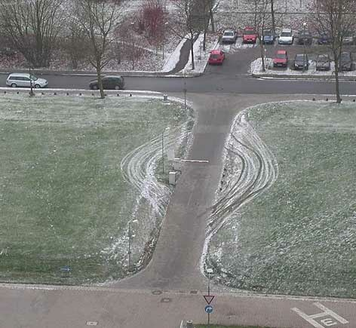

Brainstorming:

Error proofing solutions to prevent vehicles going around the barrier

Matrix
Prioritisation Matrix
 | Ease | Benefit | Barrier Error Proofing Solutions
1 | 5 | 8 | Fence either side
2 | 4 | 2 | manned security booth
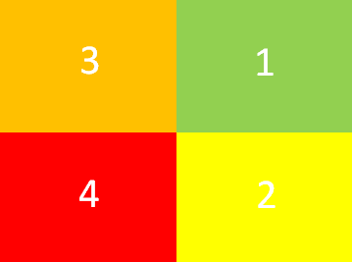
3 | 9 | 2 | remove it
4 | 6 | 1 | Move to the cross road
5 | 7 | 2 | Close the entrance
6 | 1 | 1 | Relocate car park
7 | 5 | 6 | Curbs
8 | 5 | 5 | back up spikes on grass
9 | 3 | 2 | Armed guards
10 | 4 | 4 | Ticketed / fines
11 | 4 | 4 | Cameras
12 | 3 | 4 | Tear up grass
13 | 5 | 1 | signage
14 | 4 | 7 | Concrete barriers
15 | 5 | 8 | Steel / iron fencing
16 | 5 | 7.5 | Walls
17 | 3.5 | 7 | Lane dividers
18 | 7 | 8 | Hill / ditch
19
20

Confirm
 | 1 | 2 | 3 | 4 | 5 | 6 | 7 | 8 | 9 | 10 | 11 | 12 | 13 | 14 | 15 | 16 | 17 | 18 | 19 | 20
Before | 16 | 14 | 13 | 13 | 11 | 14 | 15 | 14 | 16 | 14
Average | 14 | 14 | 14 | 14 | 14 | 14 | 14 | 14 | 14 | 14 | #DIV/0! | #DIV/0! | #DIV/0! | #DIV/0! | #DIV/0! | #DIV/0! | #DIV/0! | #DIV/0! | #DIV/0! | #DIV/0!

 | Before | Average | #REF!
 | 16 | 14 | 1
 | 14 | 14
 | 13 | 14
 | 13 | 14
 | 11 | 14
 | 14 | 14
 | 15 | 14
 | 14 | 14
 | 16 | 14
 | 14 | 14
 |  | 0
 |  | 0
 |  | 0
 |  | 0
 |  | 0
 |  | 0
 |  | 0
 |  | 0
 |  | 0
 |  | 0
Enter Cycle times of new / improved process

